Master_subroutine
STEP 1 : PICK THE FILE AND CHOOSE THE TABLE

RUN
EXCEL-> SQL
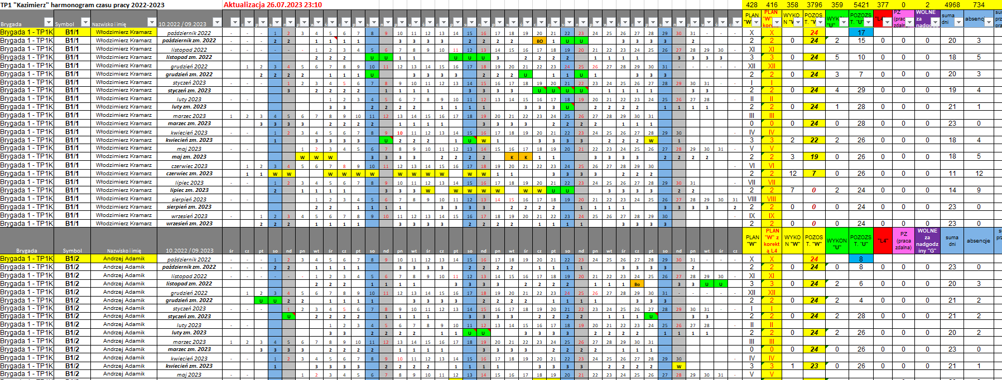
CLICK HERE

STEP 2 : PIVOT THE TABLE

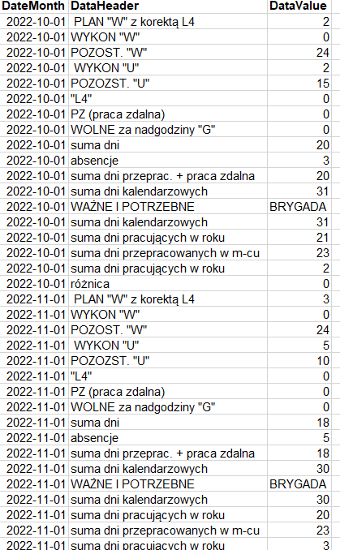

.
.
.
STEP 3 : EXPORT TO TXT AND SQL

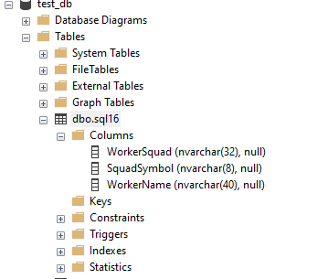

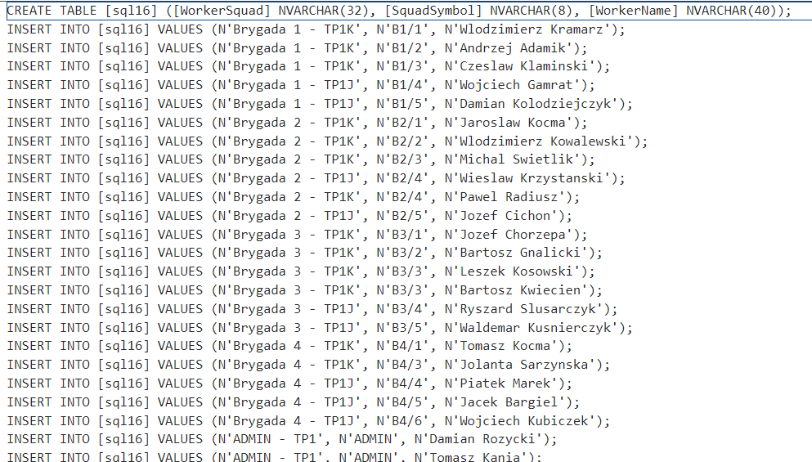

Create a table directly in MS SQL SERVER
Generate a txt file containing the query in the same folder as xls file

breakdown
1
# Employee Shift Data Processor
This tool processes the employee shift data to analyze shifts and work status. It is implemented in VBA (Visual Basic for Applications), and to use it, you will need to insert the code into an Excel VBA module.
Here is the general flow of the tool:
1. It gets input from the user to specify the worksheet, the last row, and the column letter containing 'Brygada'.
2. The tool calls two subroutines, `PivotData` and `PivotDataUnique`, with the user input.
3. It checks for empty cells in the created sheets.
## Functions
### 1. GetUserInputAndRunSubroutines() This is the main function that drives the program. It gets input from the user and calls other subroutines.
### 2. PivotData(ByVal wsNum As Long, ByVal lastRow As Long, ByVal squadCol As String) This function creates two new sheets "WorkersShifts" and "WorkersMonthData" and populates them with data based on the source worksheet, specified by the user. It processes the data row by row and fills the new sheets with relevant data.
### 3. PivotDataUnique(ByVal wsNum As Long, ByVal lastRow As Long, ByVal squadCol As String) This function creates a new sheet "WorkersStatus" and populates it with unique values from the specified source worksheet. It avoids duplicates and fills the sheet with unique worker names and their respective information.
### 4. CheckForEmptyCells() This function checks the created sheets "WorkersShifts", "WorkersMonthData", and "WorkersStatus" for empty cells. If it finds any, it warns the user.
## How to use the tool
1. Open your Excel workbook.
2. Press `Alt + F11` to open the VBA editor.
3. In the VBA editor, insert a new module (Menu -> Insert -> Module).
4. Copy the provided VBA code and paste it into the module.
5. Close the VBA editor.
6. Run the `GetUserInputAndRunSubroutines` procedure (you can press `Alt + F8`, select `GetUserInputAndRunSubroutines`, and press `Run`).
7. Enter the requested inputs in the dialog boxes that pop up. 8. The tool will create new worksheets and fill them with the processed data.
**Note:** Please make sure to enable macros or set your macro security level to a setting that allows them to run. You can adjust these settings in Excel's options under the `Trust Center Settings`.
## Disclaimer
This tool is provided as-is, and you should use it at your own risk. Always make a backup of your Excel files before running any macros or scripts.

1. RUN
EXCEL-> PIVOT
FOR TP

CLICK HERE

2. RUN
PIVOT > SQL TXT

3. RUN
TXT > MS SQL
2
This VBA module helps you generate SQL statements from data in an Excel file and save them to a text file. It can be handy when you want to convert your Excel data into SQL commands for database operations.
Here's how to use it:
1. RUN the main procedure "GenerateSQL" by clicking "Run".
2. A pop-up window will ask you for some inputs: - Choose your Excel file
3. Choose the output text file where you want to save the generated. Then choose the name pf the txt file.
- Optionally, specify if you want to filter rows based on a specific keyword (e.g., "yes" or "no"). If you choose "yes," it will ask you to enter the keyword to filter rows (e.g., "zm"). This will only retrieve rows containing the keyword.
- Optionnally, you can avoid the rows containing duplicates entry.
- Optionnally, you can avoid the rows containing empty cells.
- Optionnally, you can generate an ID. Note that the ID will be generated in Microsoft SQL Server and not in VBA (no loop). The ID consists of a simple increment starting from 1. You can change the function in the output or in VBA to use a random number using NEWID or NEWSEQUENTIALID.
4. After providing the inputs, the VBA code will open your Excel file, extract data based on your specified ranges, and generate SQL statements for creating a table and inserting data.
5. The generated SQL statements will be saved in the output text file you specified.
6. The code will also handle Polish special characters in your data to ensure compatibility with SQL.
7. COPY PASTE THE CONTENT IN TXT FILE TO MICROSOFT SQL QUERY
Make sure to have a backup of your Excel file before running the code, just in case. This tool can save you time when dealing with large datasets and needing SQL commands for database interactions.

3
VBA Code Overview for Microsoft Access and SQL Server Integration
1. Introduction:
This VBA module provides functionalities to connect to a SQL Server database, fetch and display user tables, and execute SQL statements from a selected `.txt` file. Users can also specify the server and database names for a custom connection.
2. Functions and Procedures:
- ConnectToSQL(serverName, dbName): Connects to the specified SQL Server and database. Returns a Boolean indicating success or failure.
- GetTableNames(): Fetches the names of user tables in the connected SQL Server database and returns them as a concatenated string.
- DeleteTableIfExists(tableName): Deletes the specified table from the SQL Server database if it exists.
- UpdateSQLWithTxtContent(): This is the primary procedure. It prompts the user for server and database names, shows existing user tables, asks for a `.txt` file containing SQL commands, and executes the SQL commands.
- GetQueryFromTxt(filePath): Reads and returns the content of the specified `.txt` file.
3. Usage:
To use the module, integrate it into an Access VBA project. Users can run the `UpdateSQLWithTxtContent` procedure, either directly or by attaching it to a form button, to start the process.
4. Notes:
- Ensure all functions and procedures are in the same VBA module.
- Before executing a new table creation, the script will check if a table with the same name already exists and will delete it. This can lead to data loss, so use with caution.
- System tables and tables from special schemas are excluded from the table list display.

